Protocol and Internet Services
Protocol

Hypermedia = Hyperlink + Multimedia
Chrome
Edge
Firefox
IIS
Tomcat

Exchange
Eudora
EMail
(SMTP)
Newsgroup
(NNTP)
WWW
(HTTP)
File Transfer
(FTP)

The Internet / TCP-IP

DJango
3-Tier Architecture:

Presentation

Logic

Persistency

Web API Vs RPC
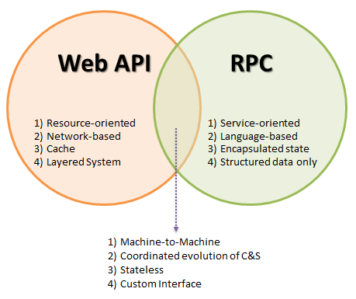
https://soroushfathi.hashnode.dev/an-overview-of-rpc

Flask
3-Tier Architecture:
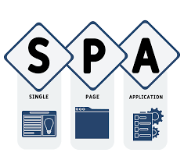

Presentation

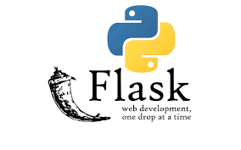
Logic

Persistency

Internet Stack
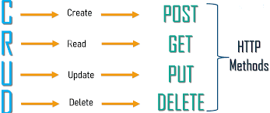

Get
Put

Post
Delete
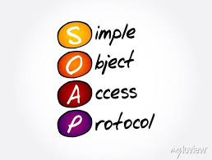
SOAP
XML
HTTP | HTTP
TCP/IP | TCP/IP

RestAPI
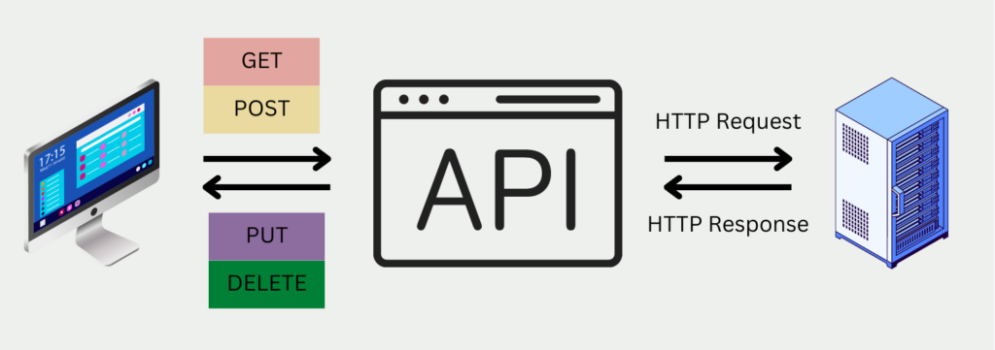
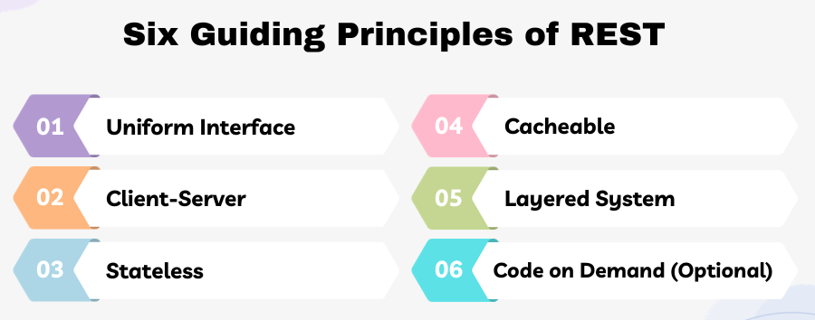
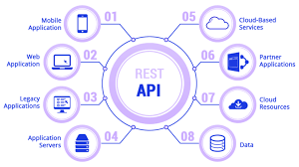
https://databasecamp.de/en/data/restful-apis
https://restfulapi.net/

